Sheet1
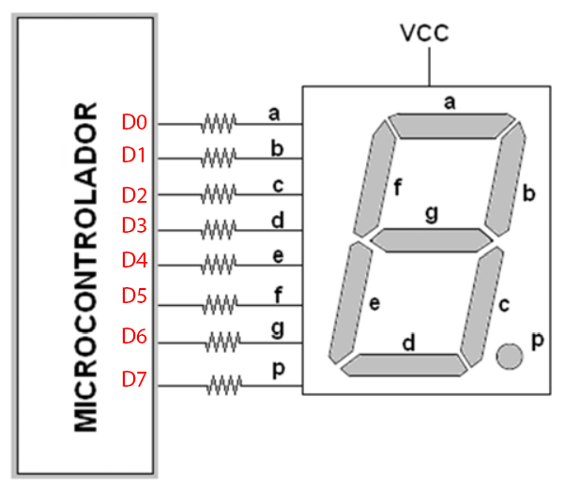
Display | p | g | f | e | d | c | b | a | HEXA
0 | 0 | 0 | 1 | 1 | 1 | 1 | 1 | 1 | 3F
1 | 0 | 0 | 0 | 0 | 0 | 0 | 1 | 1 | 03
2 |  |  |  |  |  |  |  |  | 00
3 |  |  |  |  |  |  |  |  | 00
4 |  |  |  |  |  |  |  |  | 00
5 |  |  |  |  |  |  |  |  | 00
6 |  |  |  |  |  |  |  |  | 00
7 |  |  |  |  |  |  |  |  | 00
8 |  |  |  |  |  |  |  |  | 00
9 |  |  |  |  |  |  |  |  | 00
A |  |  |  |  |  |  |  |  | 00
B
C
D
E
F

